Sheet1
200.22

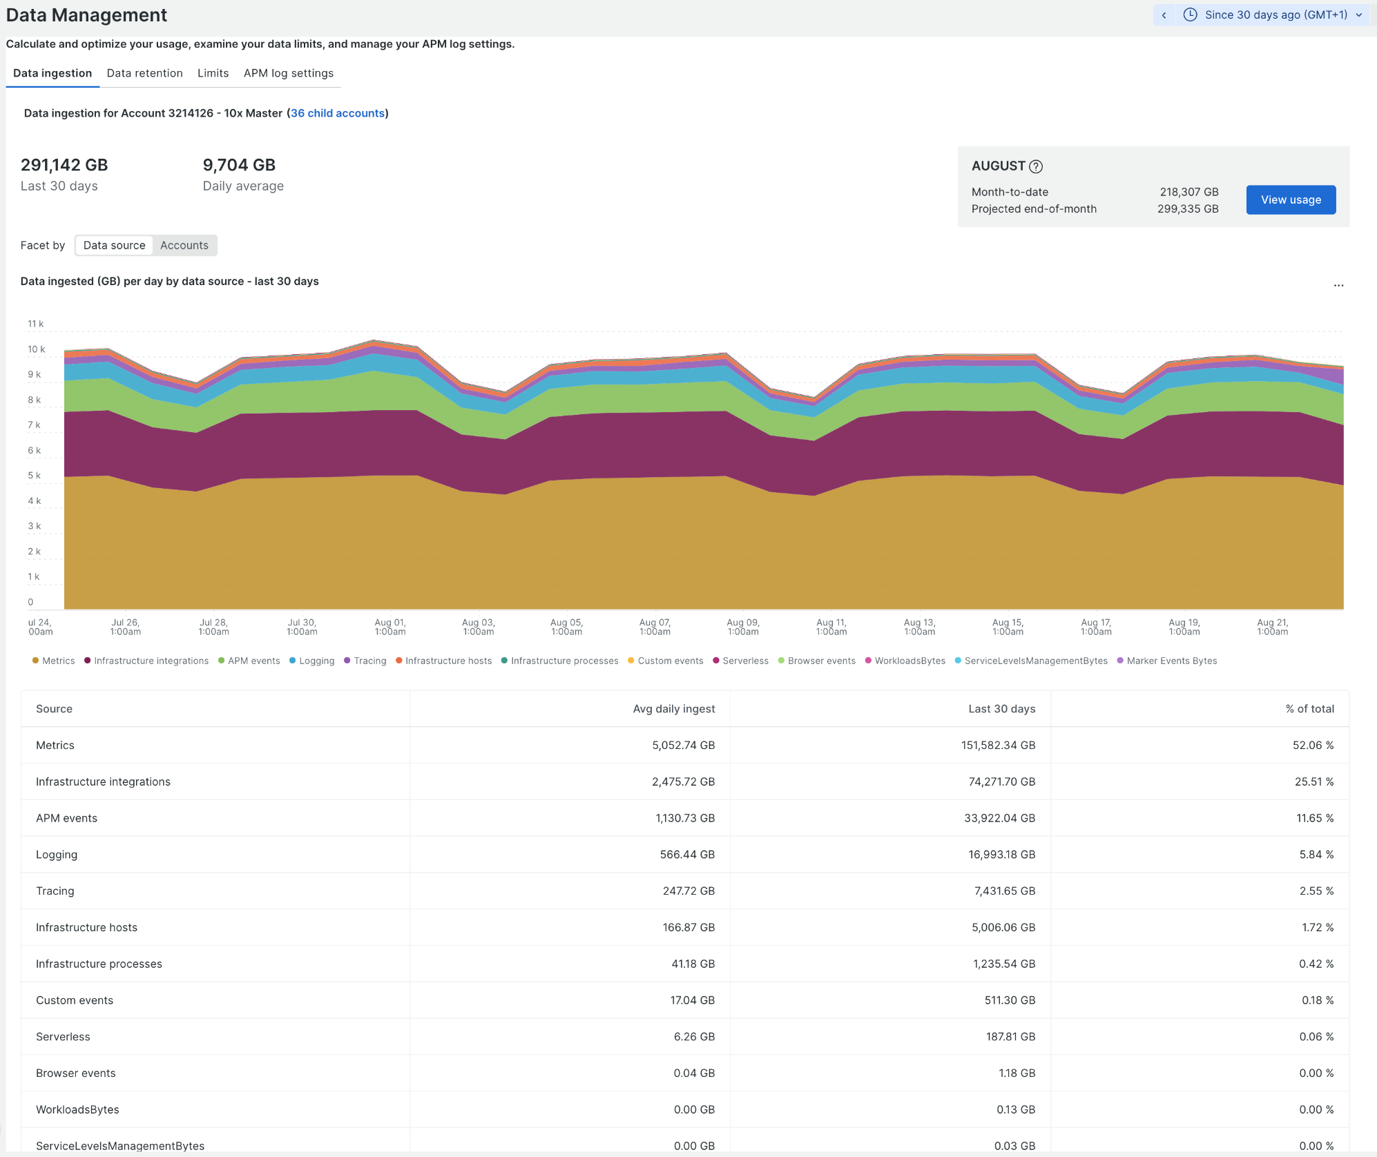
 | Metrics | 9,000 | Metrics
 | Infrastructure Integrations | 7,500 | Metrics
 | APM events | 3,500 | Traces
 | Logging | 44000 | Logs
 | Tracing | 18,000 | Traces
 | Infrastructure Hosts | 1,200 | Metrics
 | Infrastrucure Processes | 72 | Metrics
 | Custom events | 2,262 | Logs
 | Serverless | 3.62 | Logs
 | Browser events | 39 | RUM

 | Logs | 46265.62
 | Metrics | 17,772 | 17,772,000 | <- numseries
 | Traces | 21,500
 | RUM | 39

